Лист1
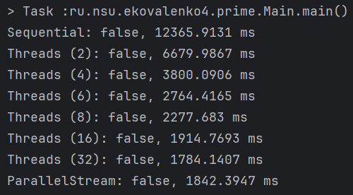
Calculation method | Execution time, ms | Proof:
Sequential calculation | 12365.9131
Parallel (2 threads) | 6679.9867
Parallel (4 threads) | 3800.0906
Parallel (6 threads) | 2764.4165
Parallel (8 threads) | 2277.6830
Parallel (16 threads) | 1914.7693
Parallel (32 threads) | 1784.1407
ParallelStream | 1842.3947

